BSFA1R
 |  | BALL VALVE DATASHEET | Doc. No : | 50502-SPE-80000-PP-SP-0002
 |  |  | Rev No : | C0
 |  |  | Page No.: | 41
VDS No |  | BSFA1R | (INPUT / SELECTION)
Piping Class |  | A1 | Selected based on VDS No
Size Range |  | 1/2" - 24" | automated based on PMS class
Valve type |  | Ball Valve, Full Bore | Automated based on VDS No
Service |  | Cooling Water, Diesel, Steam, WI, HC with low CO2 and H2S | automated based on PMS class
Valve Standard |  | API 6D / ISO 17292 | automatic selection based on type of valve refer below snap shot from API 615
Pressure Class |  | ASME B16.34 Class 150 | Automatic as per PMS
Design Pressure |  | 19.6 @ -29°C, 13.8 @ 200°C | Automatic as per PMS
Corrosion Allowance |  | 3 mm | Automatic as per PMS
Sour Service Requirements |  | -
End Connections |  | Flanged ASME B16.5 RF | Automatic as per PMS
Face to Face Dimension |  | ASME B16.10 Long pattern, quarter turn | As per Valve Standard
Construction | Body | Bi-Directional, One piece with Top entry (1-1/2” & below), Two piece split body (or) 3piece with Fully contained bolting , butt weld ball valves shall be top-entry design (2” and above), c/w vent and drain fitted with NPT plugs | As per valve standard
 | Ball | Floating (8” and below), Trunnion mounted (10” and above), no vent hole, Solid Type | As per valve standard
 | Stem | Anti-static, Anti blowout proof type | As per valve standard
 | Seat | Soft Seated, Self-energised, Self-relieving, Emergency sealant injection system | As per valve standard
 | Locks | Valve lockable using padlock - Full Open, Fully Closed | As per valve standard
Operation |  | Lever (4” and below), Gear operated c/w Hand wheel (6” and above) Fully enclosed, dust proof, with Position Indicator | As per valve standard
Material | Body Material | ASTM A105N (1.5” and below), ASTM A105N/ASTM A216 WCB (2” & Above) | As per PMS Base material and Valve Standard
 | Ball Material | Forged - ASTM A182-F316 | As per PMS Base material and Valve Standard
 | Seat Material | Reinforced PTFE | As per PMS Base material and Valve Standard
 | Seal Material | PTFE | As per PMS Base material and Valve Standard
 | Stem Material | Forged - ASTM A182 F316 | As per PMS Base material and Valve Standard
 | Gland material | Forged - ASTM A182 F6A CL 2 | As per PMS Base material and Valve Standard
 | Gland Packing | Flexible graphite with Braided (Non asbestos, yarn reinforced with Inconel, corrosion inhibitor), Renewable | As per PMS Base material and Valve Standard
 | Lever / Handwheel | Solid ASTM A47 HDG/ ASTM A220 HDG/ SS316 | As per PMS Base material and Valve Standard
 | Spring | Inconel 750 | As per PMS Base material and Valve Standard
 | Gaskets | ASME B 16.20, 4.5mm, SS316/SS316L Spiral Wound with Flexible Graphite (F.G.) filler | As per PMS Base material and Valve Standard
 | Bolts | ASTM A 193 Gr. B7M, XYLAR 2 + XYLAN 1070 coated with minimum combined thickness of 50μm | As per PMS Base material and Valve Standard
 | Nuts | ASTM A 194 Gr. 2HM, XYLAR 2 + XYLAN 1070 coated with minimum combined thickness of 50μm | As per PMS Base material and Valve Standard
Marking - Purchaser’s Specification |  | Hard marked with Valve Type on a stainless steel label, attached using tamper resistant stainless steel fastener, and with Unique Valve Tag Number | Standard for all Valve, need to input under data base
Marking – Manufacturer |  | MSS-SP-25
Inspection – Testing |  | ASME B16.34, API 598 | As per valve standard
Leakage Rate |  | As per API 598 | As per valve standard
Hydrotest Shell Test Pressure |  | 29.4 barg | As per valve standard
Hydrotest Closure Test Pressure |  | 21.56 barg | As per valve standard
Pneumatic LP Test Pressure |  | 5.5 barg | As per valve standard
Material Certification |  | Pressure Retaining Parts EN 10204 3.2, Other parts EN 10204 3.1 | As per Project Requirement
Fire Rating |  | API 607 / ISO 10497 (For Floating Ball Valve), API 6FA (For Trunnion Ball Valve) | As per valve standard
Finish |  | General Specification for Paint and Protective Coating doc : 50502-SPE-80000-ME-SP-XXXX | Project Specific

Notes:
1. This data sheet shall be completed and returned with the quotation. Failure to return the completed data sheet will deem the offer technically not acceptable.

2. Data sheet shall be read in conjunction with Piping Material Specification, Doc No.50502-SPE-80000-PP-SP-0001.
3. Hydrostatic shell test pressure shall be 1.5 times of Max. design pressure, and hydraulic seat test shall be 1.1 times of Max. design pressure for seats.

4. Ball, Stem and Gland material shall be forged, Castings are not acceptable.
5. All stud bolts and nuts shall be XYLAR 2 + XYLAN 1070 coated with minimum combined thickness of 50μm.

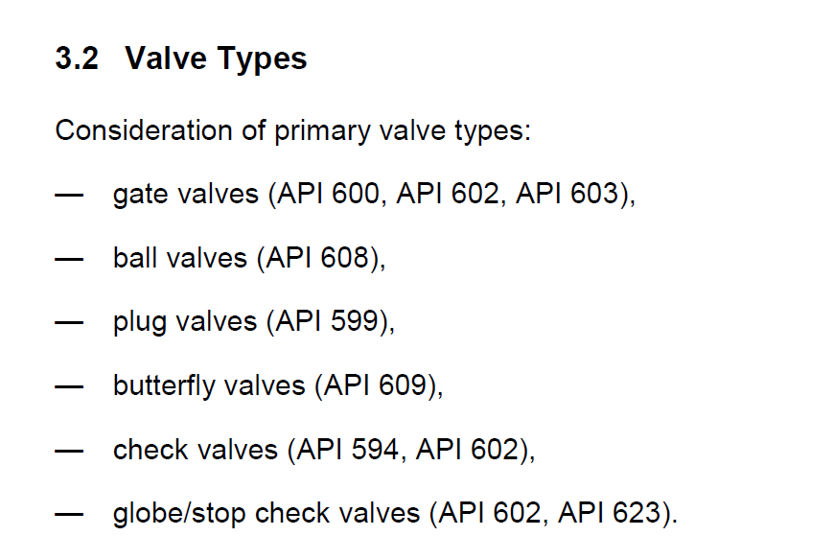
& API 6D
SNAPSHOT FROM API 615

